1. Title Page
[Project Name]

Project Name: Instacart Grocery Basket Analysis
Date: 11-16-20
Analyst Name: Sean Ward

Contents:
Population Flow
Consistency checks
Wrangling steps
Column derivations
Visualizations
Recommendations

2. Population Flow
Title page

Population flow

Exclusion flag
Condition: max_order < 5
Obervations to be removed: 2235381
Final total count of order_products_all: 30198831

Orders_products_combined
Orders_products_merged
Orders_products_all

Total: 32434212
Total: 32434489
Total: 32434212

1.) The grey boxes in the first row of the population flow represent the original data sets as they were when you downloaded them. In the Total fields you need to add the count of the rows when you imported the data set into Jupyter.
2.) The second row of boxes (coloured) represents the data sets after you manipulated them, e.g., removed missing values and duplicates. In the Total fields you need to add the count of the rows after conducting these operations. This offers a visual oveview of how the data flows throughout the data consistency checks.
3.) The third row, where also the arrows are coloured, represents the merges you performed between the datasets. In the Total fields you need to add the count of the rows in the merged datasets, so that you end up with the final dataset (in the red box). Keep in mind the final dataset should be without exclusions (based on the exclusion flag).

3. Consistency checks
 |  |  |  | Title page
Consistency checks
 |  |  |  | days_since_prior_order | 1 | 2 | 3 | 4 | 5 | 6 | 7 | 8 | 9 | 10 | 11 | 12 | 13 | 14 | 15 | 16 | 17 | 18 | 19 | 20 | 21 | 22 | 23 | 24 | 25 | 26 | 27 | 28 | 29 | 30 | 31 | 32 | 33 | 34 | 35 | 36 | 37 | 38 | 39 | 40 | 41 | 42 | 43 | 44 | 45 | 46 | 47 | 48 | 49 | 50 | 51 | 52 | 53 | 54 | 55 | 56 | 57 | 58 | 59 | 60 | 61 | 62 | 63 | 64 | 65 | 66 | 67 | 68 | 69 | 70 | 71 | 72 | 73 | 74 | 75 | 76 | 77 | 78 | 79 | 80 | 81 | 82 | 83 | 84 | 85 | 86 | 87 | 88 | 89 | 90 | 91 | 92 | 93 | 94 | 95 | 96 | 97 | 98 | 99
 |  |  |  | 0 | 0 | 20562 | 20452 | 17998 | 16451 | 16061 | 14396 | 13896 | 12782 | 11471 | 11795 | 9837 | 9443 | 8968 | 8441 | 8141 | 7854 | 7751 | 7043 | 6908 | 7091 | 6431 | 6172 | 6111 | 6037 | 5545 | 6053 | 5573 | 5208 | 5686 | 4817 | 5135 | 4630 | 4537 | 4559 | 4392 | 4316 | 4094 | 3866 | 4031 | 4059 | 3827 | 3680 | 3670 | 3227 | 3526 | 3328 | 2720 | 3164 | 2636 | 2483 | 2929 | 2626 | 2523 | 2379 | 2484 | 2376 | 2222 | 2357 | 2196 | 2073 | 2249 | 1856 | 2032 | 1586 | 2128 | 1941 | 1871 | 1561 | 1674 | 1705 | 1575 | 1732 | 1557 | 1341 | 1538 | 1526 | 1422 | 1370 | 1185 | 1306 | 1197 | 1152 | 1493 | 1344 | 1360 | 1139 | 1180 | 1178 | 1195 | 1150 | 1040 | 937 | 1136 | 1099 | 1041 | 884 | 1038 | 936
 |  |  |  | 1 | 0 | 31693 | 29975 | 28025 | 27109 | 25545 | 25013 | 22935 | 21797 | 21081 | 21279 | 19533 | 19117 | 18297 | 18557 | 18143 | 16781 | 15983 | 15523 | 15136 | 15194 | 13860 | 13624 | 13242 | 12869 | 13017 | 12945 | 11977 | 12535 | 12092 | 11756 | 11586 | 10873 | 10402 | 9699 | 9698 | 9766 | 9515 | 9570 | 9460 | 8650 | 8877 | 8716 | 8581 | 8449 | 8328 | 8489 | 8205 | 7715 | 7152 | 7721 | 6981 | 6531 | 7039 | 7120 | 6252 | 6443 | 6268 | 5899 | 5852 | 5606 | 5950 | 4935 | 5728 | 4856 | 4952 | 5266 | 4678 | 4572 | 4699 | 4128 | 4406 | 4224 | 4232 | 4014 | 3923 | 4108 | 3999 | 3597 | 4135 | 3519 | 3151 | 3458 | 3289 | 3246 | 3110 | 2972 | 2694 | 3028 | 2790 | 2803 | 2729 | 2606 | 2606 | 2641 | 2437 | 2540 | 2635 | 2365
Dataset | Missing values | Missing values treatment | Duplicates | 2 | 0 | 46489 | 46298 | 43933 | 40757 | 40944 | 38138 | 37560 | 35776 | 33861 | 33394 | 31496 | 30633 | 30275 | 28650 | 27600 | 26707 | 26253 | 25631 | 23742 | 23547 | 23995 | 23071 | 22358 | 21847 | 21616 | 20667 | 19792 | 18965 | 19251 | 18751 | 18343 | 17119 | 17542 | 16402 | 16034 | 16455 | 16114 | 15578 | 14677 | 14458 | 14356 | 13406 | 12932 | 12953 | 12907 | 12070 | 13449 | 12357 | 11736 | 11723 | 10613 | 10582 | 10818 | 10220 | 9502 | 9713 | 9352 | 8830 | 8736 | 8967 | 8186 | 8194 | 7718 | 7419 | 7766 | 7345 | 7042 | 7152 | 6629 | 6739 | 6395 | 6295 | 5956 | 5713 | 5634 | 5224 | 5060 | 5075 | 4706 | 4927 | 4396 | 4803 | 4663 | 3948 | 3939 | 4074 | 4206 | 3477 | 3624 | 3558 | 3314 | 3592 | 3323 | 3073 | 2986 | 3058 | 3092 | 2612
orders | 206,209 missing days_since_prior_order | I changed all of the missing values to "0" since they are all a customer's first order | None | 3 | 0 | 61701 | 63450 | 60047 | 57931 | 56219 | 52916 | 49333 | 48324 | 47858 | 45073 | 43027 | 42157 | 40736 | 38467 | 37972 | 35965 | 34700 | 34421 | 32676 | 32424 | 31502 | 30704 | 29458 | 29034 | 28280 | 26487 | 27109 | 25777 | 23447 | 23617 | 24501 | 23843 | 22242 | 21883 | 21343 | 20636 | 20815 | 19521 | 20927 | 18557 | 17972 | 17445 | 16918 | 16386 | 16437 | 15523 | 15550 | 14249 | 14997 | 13655 | 13566 | 12930 | 12227 | 11596 | 11847 | 11213 | 10582 | 10607 | 9906 | 10064 | 9846 | 9028 | 9241 | 8352 | 7936 | 7900 | 7431 | 7957 | 7230 | 6664 | 6839 | 6270 | 6280 | 6440 | 6074 | 5437 | 5175 | 5432 | 4889 | 5014 | 4559 | 4443 | 3803 | 4247 | 4007 | 3919 | 3361 | 3578 | 3321 | 3239 | 2799 | 3079 | 2904 | 2638 | 2661 | 2462 | 2170 | 2468
products | 16 rows were missing "product_name" | I deleted those 16 rows | None | 4 | 0 | 76794 | 78922 | 73606 | 70592 | 66629 | 62452 | 61200 | 59568 | 57743 | 54768 | 51993 | 48825 | 46951 | 45881 | 44286 | 42159 | 41308 | 39444 | 37354 | 36553 | 36511 | 35936 | 33159 | 34180 | 31369 | 31070 | 30129 | 28558 | 27040 | 26975 | 26033 | 24469 | 24675 | 23994 | 23063 | 22958 | 21603 | 20810 | 19032 | 19404 | 19351 | 18786 | 18737 | 18098 | 16600 | 16206 | 15579 | 15013 | 14213 | 13811 | 13041 | 12917 | 12026 | 11659 | 11937 | 11605 | 10302 | 9874 | 9649 | 9036 | 8725 | 8579 | 7764 | 8199 | 7329 | 6615 | 6336 | 6119 | 6475 | 6388 | 5591 | 5329 | 4988 | 5214 | 4348 | 4798 | 4444 | 4187 | 4232 | 3870 | 3988 | 3446 | 3225 | 2845 | 2864 | 2587 | 2718 | 2636 | 2344 | 2260 | 2492 | 2032 | 1800 | 2083 | 1918 | 1795 | 1695 | 1813
orders_products_prior | None | None | None | 5 | 0 | 89103 | 91826 | 86577 | 81933 | 77645 | 73637 | 70078 | 64515 | 63201 | 59501 | 55598 | 53571 | 53009 | 49314 | 47010 | 47061 | 44918 | 42118 | 40813 | 40226 | 37744 | 35524 | 36180 | 34823 | 32303 | 31884 | 29675 | 29437 | 29404 | 27850 | 26105 | 25981 | 24215 | 23091 | 22137 | 21247 | 20037 | 19615 | 20538 | 18751 | 17608 | 16963 | 15613 | 15500 | 14361 | 14101 | 13331 | 13494 | 11473 | 12052 | 11752 | 10820 | 10358 | 10194 | 9084 | 8725 | 8590 | 7685 | 7893 | 6741 | 6402 | 6571 | 5762 | 5387 | 5301 | 4615 | 5513 | 5067 | 4401 | 4120 | 4278 | 3549 | 3444 | 3250 | 3199 | 2488 | 2731 | 2752 | 2819 | 2292 | 2303 | 2139 | 2100 | 2372 | 2003 | 1946 | 1567 | 1462 | 1630 | 1633 | 1368 | 984 | 1216 | 1222 | 1168 | 966 | 912 | 936
customers | 11,259 missing First Names | Ended up dropping first name/last name column for privacy reasons | None | 6 | 0 | 120786 | 123008 | 114762 | 106859 | 100838 | 96045 | 89830 | 87290 | 78707 | 78967 | 74788 | 68716 | 65194 | 62432 | 58847 | 56537 | 54838 | 53312 | 51340 | 49445 | 46257 | 44204 | 41047 | 38619 | 38755 | 36463 | 35113 | 33706 | 32666 | 30875 | 29993 | 28507 | 28327 | 26623 | 26542 | 24117 | 22776 | 22756 | 20885 | 19377 | 18807 | 17775 | 17411 | 16761 | 15150 | 14003 | 12430 | 12947 | 11617 | 11091 | 9644 | 9284 | 8378 | 8696 | 7306 | 7087 | 6711 | 6151 | 6120 | 5517 | 4918 | 5019 | 4556 | 4647 | 3851 | 3980 | 3539 | 3445 | 2904 | 2888 | 2253 | 2780 | 2594 | 2231 | 1951 | 1932 | 1893 | 1741 | 1536 | 1696 | 1448 | 1391 | 1341 | 1218 | 995 | 962 | 1064 | 991 | 754 | 842 | 942 | 1014 | 837 | 571 | 490 | 602 | 485 | 544
 |  |  |  | 7 | 0 | 184973 | 181825 | 167756 | 157591 | 143768 | 137803 | 128561 | 120840 | 114884 | 106484 | 103196 | 100625 | 93815 | 89528 | 86265 | 81331 | 78127 | 73189 | 71106 | 68614 | 64198 | 62570 | 58622 | 56749 | 53920 | 50955 | 48752 | 47679 | 44869 | 42499 | 41657 | 38297 | 35830 | 34230 | 33264 | 32324 | 30452 | 28184 | 27694 | 27237 | 26019 | 23816 | 21957 | 20533 | 19890 | 17789 | 17190 | 15148 | 14723 | 12842 | 12963 | 10369 | 9606 | 8584 | 7320 | 7028 | 6392 | 6256 | 5741 | 5193 | 4907 | 3877 | 3575 | 3466 | 3591 | 3412 | 2567 | 2249 | 2473 | 2110 | 2395 | 2047 | 1909 | 1679 | 1631 | 1786 | 1442 | 1324 | 1086 | 958 | 969 | 921 | 858 | 957 | 712 | 763 | 714 | 695 | 636 | 575 | 521 | 440 | 602 | 422 | 421 | 378 | 419 | 323
 |  |  |  | 8 | 0 | 112446 | 110849 | 102316 | 95041 | 87712 | 81714 | 78825 | 71139 | 67639 | 64956 | 60130 | 57433 | 53613 | 50949 | 47479 | 44233 | 43320 | 40852 | 38692 | 35929 | 35132 | 32017 | 31007 | 30081 | 27694 | 26024 | 26329 | 23949 | 22238 | 21999 | 19768 | 19309 | 17571 | 17553 | 16133 | 16143 | 14644 | 14599 | 13293 | 11938 | 11630 | 11105 | 10417 | 9426 | 8524 | 7977 | 7466 | 7224 | 6495 | 5563 | 5043 | 5055 | 4441 | 3770 | 3761 | 3047 | 2929 | 2891 | 2585 | 2525 | 2246 | 1974 | 1855 | 1715 | 1352 | 1339 | 1510 | 1324 | 1428 | 1085 | 1137 | 1166 | 937 | 959 | 760 | 762 | 762 | 732 | 477 | 475 | 322 | 550 | 656 | 263 | 342 | 278 | 416 | 340 | 239 | 262 | 228 | 244 | 275 | 232 | 235 | 143 | 137 | 84
 |  |  |  | 9 | 0 | 73741 | 75442 | 68589 | 65108 | 58984 | 54854 | 50633 | 47797 | 43520 | 42232 | 38099 | 36814 | 35006 | 31614 | 30782 | 28902 | 26670 | 25627 | 23332 | 22212 | 20481 | 20576 | 18881 | 17928 | 16504 | 16832 | 15400 | 14576 | 13545 | 13004 | 12429 | 11523 | 10791 | 10647 | 9214 | 8491 | 8103 | 7268 | 7049 | 6460 | 5872 | 5853 | 5456 | 4912 | 4509 | 3905 | 3489 | 3558 | 3276 | 3191 | 2815 | 2292 | 2178 | 2300 | 1979 | 1791 | 1631 | 1639 | 1683 | 1281 | 1045 | 1074 | 1005 | 1006 | 705 | 926 | 933 | 716 | 628 | 454 | 551 | 482 | 613 | 417 | 398 | 317 | 483 | 374 | 242 | 272 | 334 | 347 | 348 | 116 | 209 | 201 | 229 | 266 | 190 | 90 | 98 | 101 | 146 | 91 | 67 | 102 | 66 | 65
 |  |  |  | 10 | 0 | 62086 | 62509 | 57733 | 51960 | 49513 | 43765 | 41157 | 38478 | 34952 | 33933 | 32748 | 29788 | 28745 | 25339 | 23619 | 22611 | 20555 | 19385 | 18428 | 17570 | 15885 | 15660 | 14723 | 14105 | 13656 | 12166 | 10835 | 10545 | 10561 | 10019 | 8539 | 8497 | 7979 | 7634 | 6650 | 6164 | 5943 | 5620 | 4604 | 4859 | 4727 | 3770 | 3752 | 3640 | 3396 | 3035 | 2870 | 2348 | 2579 | 2106 | 2128 | 2038 | 1703 | 1580 | 1306 | 1393 | 1226 | 1148 | 901 | 917 | 722 | 894 | 742 | 821 | 571 | 540 | 599 | 432 | 493 | 370 | 444 | 626 | 390 | 581 | 389 | 339 | 239 | 191 | 216 | 143 | 111 | 289 | 203 | 278 | 136 | 223 | 114 | 138 | 60 | 103 | 222 | 78 | 45 | 116 | 4 | 101 | 42 | 59
 |  |  |  | 11 | 0 | 55614 | 55969 | 52025 | 45547 | 42576 | 40210 | 36917 | 33430 | 30859 | 29439 | 27448 | 26283 | 23936 | 21662 | 20277 | 20345 | 17877 | 17086 | 15925 | 13590 | 13929 | 12100 | 11989 | 10717 | 11297 | 9870 | 8617 | 7935 | 7045 | 8079 | 6166 | 6569 | 5940 | 5584 | 5383 | 4939 | 4203 | 4054 | 3723 | 3395 | 2984 | 3202 | 2923 | 2712 | 2194 | 2273 | 2045 | 1782 | 1717 | 1639 | 1343 | 1556 | 1354 | 1226 | 1124 | 1022 | 999 | 819 | 735 | 759 | 653 | 688 | 452 | 523 | 383 | 391 | 349 | 273 | 438 | 417 | 344 | 350 | 286 | 257 | 226 | 234 | 139 | 155 | 213 | 139 | 347 | 102 | 97 | 102 | 111 | 68 | 46 | 61 | 57 | 83 | 175 | 55 | 68 | 126 | 63 | 64 | 1 | 19
 |  |  |  | 12 | 0 | 54652 | 56694 | 51086 | 44658 | 42636 | 38713 | 35364 | 33508 | 29881 | 26707 | 26548 | 24364 | 21443 | 21452 | 20419 | 18281 | 16068 | 15729 | 14422 | 12997 | 12241 | 11017 | 10960 | 9554 | 8713 | 8616 | 7960 | 7457 | 7147 | 6365 | 5969 | 5375 | 4700 | 5386 | 4631 | 3963 | 4092 | 3544 | 3290 | 3193 | 2811 | 2475 | 1956 | 1860 | 2152 | 1984 | 1567 | 1424 | 1750 | 1210 | 1401 | 1138 | 861 | 670 | 798 | 735 | 703 | 979 | 749 | 394 | 538 | 577 | 460 | 538 | 434 | 284 | 386 | 408 | 264 | 319 | 275 | 342 | 197 | 225 | 190 | 137 | 183 | 170 | 126 | 202 | 63 | 65 | 101 | 187 | 55 | 101 | 53 | 55 | 58 | 54 | 70 | 32 | 50 | 75 | 55 | 52 | 5 | 66
 |  |  |  | 13 | 0 | 64018 | 66409 | 58521 | 54394 | 47765 | 44917 | 41312 | 38360 | 34310 | 32561 | 28210 | 26834 | 23686 | 23241 | 20641 | 20583 | 18349 | 16458 | 14433 | 15022 | 12039 | 11763 | 10655 | 10071 | 9577 | 8847 | 7695 | 7750 | 6749 | 5846 | 5666 | 5380 | 5561 | 4729 | 4424 | 3590 | 3603 | 3117 | 2980 | 2923 | 2296 | 2423 | 2244 | 1730 | 1877 | 1677 | 1210 | 1200 | 1108 | 1131 | 847 | 989 | 740 | 684 | 800 | 417 | 481 | 399 | 307 | 557 | 347 | 399 | 390 | 252 | 299 | 355 | 456 | 319 | 228 | 175 | 154 | 116 | 73 | 71 | 231 | 56 | 202 | 214 | 65 | 80 | 123 | 59 | 75 | 53 | 94 | 63 | 56 | 82 | 69 | 93 | 93 | 80 | 85 | 24 | 27 | 61 | 83 | 68
 |  |  |  | 14 | 0 | 82183 | 79832 | 74785 | 67539 | 60532 | 54907 | 49278 | 46311 | 42415 | 38444 | 34362 | 32102 | 30189 | 26918 | 25942 | 24389 | 22035 | 19813 | 18092 | 15071 | 15301 | 14657 | 13317 | 11510 | 10727 | 10478 | 9489 | 8006 | 8332 | 7985 | 6657 | 6236 | 5305 | 4441 | 4870 | 4256 | 3628 | 3928 | 2820 | 2852 | 2260 | 2715 | 2695 | 1953 | 2077 | 1835 | 1642 | 1390 | 1242 | 966 | 633 | 1053 | 627 | 669 | 907 | 583 | 809 | 646 | 455 | 476 | 275 | 438 | 423 | 214 | 168 | 393 | 340 | 257 | 243 | 205 | 277 | 160 | 150 | 103 | 84 | 110 | 125 | 94 | 32 | 91 | 29 | 137 | 45 | 77 | 46 | 41 | 40 | 57 | 38 | 8 | 13 | 96 | 55 | 41 | 32 | 54 | 33 | 5
 |  |  |  | 15 | 0 | 54545 | 53637 | 50282 | 44075 | 39540 | 35581 | 33901 | 29646 | 27786 | 25084 | 24458 | 20686 | 19292 | 17683 | 16222 | 15621 | 13396 | 12545 | 11850 | 10064 | 10415 | 8344 | 7651 | 8097 | 6475 | 6333 | 6096 | 5438 | 5214 | 4251 | 4196 | 3809 | 3395 | 2954 | 2871 | 2711 | 2831 | 2266 | 2341 | 1637 | 1834 | 1693 | 1611 | 1141 | 992 | 937 | 1056 | 654 | 995 | 541 | 558 | 448 | 724 | 661 | 478 | 296 | 341 | 357 | 243 | 155 | 230 | 273 | 175 | 121 | 263 | 158 | 164 | 102 | 129 | 160 | 71 | 137 | 55 | 107 | 106 | 24 | 100 | 78 | 35 | 22 | 66 | 113 | 91 | 56 | 34 | 66 | 9 | 16 | 44 | 14 | 31 | 25 | 6 | 23 | 20 | 17 | 7 | 17
 |  |  |  | 16 | 0 | 38933 | 39557 | 34522 | 30613 | 28318 | 25446 | 22432 | 22382 | 20600 | 17442 | 15627 | 14367 | 13306 | 11952 | 10841 | 9603 | 9675 | 8467 | 7676 | 6727 | 6482 | 5719 | 5719 | 4969 | 4081 | 3812 | 3765 | 3309 | 2615 | 2532 | 3006 | 2343 | 2283 | 2000 | 2040 | 1612 | 1452 | 1403 | 1333 | 975 | 955 | 827 | 717 | 844 | 616 | 746 | 868 | 498 | 574 | 497 | 367 | 390 | 299 | 526 | 260 | 220 | 251 | 184 | 153 | 70 | 74 | 119 | 112 | 190 | 85 | 100 | 85 | 71 | 75 | 115 | 104 | 76 | 64 | 49 | 30 | 48 | 27 | 54 | 19 | 51 | 41 | 51 | 10 | 29 | 31 | 41 | 7 | 8 | 65 | 20 | 7 | 0 | 12 | 0 | 39 | 50 | 17 | 10
 |  |  |  | 17 | 0 | 31984 | 32889 | 29850 | 26293 | 23875 | 20658 | 18614 | 17583 | 16029 | 14288 | 12814 | 12068 | 11610 | 10139 | 9151 | 7991 | 7800 | 7893 | 6218 | 5692 | 5407 | 5222 | 4852 | 3602 | 3637 | 3200 | 2933 | 2769 | 2165 | 2060 | 1918 | 2010 | 1736 | 1714 | 1406 | 1252 | 860 | 1034 | 865 | 971 | 895 | 710 | 674 | 536 | 637 | 540 | 399 | 463 | 314 | 361 | 401 | 353 | 127 | 388 | 236 | 206 | 284 | 135 | 86 | 132 | 118 | 155 | 186 | 91 | 56 | 37 | 76 | 49 | 23 | 44 | 65 | 44 | 35 | 73 | 18 | 21 | 45 | 27 | 16 | 28 | 91 | 10 | 8 | 46 | 15 | 37 | 17 | 1 | 14 | 0 | 32 | 0 | 16 | 7 | 4 | 23 | 0 | 5
 |  |  |  | 18 | 0 | 31647 | 30512 | 27334 | 24877 | 22018 | 19187 | 17612 | 16775 | 15079 | 13328 | 12358 | 11354 | 9961 | 9050 | 8160 | 7179 | 6819 | 6678 | 5868 | 5107 | 4489 | 3585 | 3468 | 3468 | 3372 | 2783 | 2750 | 2184 | 2169 | 1806 | 1962 | 1531 | 1183 | 1516 | 1330 | 1045 | 956 | 1008 | 738 | 848 | 709 | 648 | 681 | 377 | 512 | 448 | 347 | 479 | 277 | 285 | 316 | 170 | 219 | 229 | 123 | 75 | 102 | 170 | 248 | 134 | 140 | 82 | 123 | 43 | 116 | 33 | 182 | 41 | 70 | 44 | 5 | 39 | 0 | 17 | 9 | 31 | 4 | 75 | 3 | 30 | 7 | 4 | 5 | 32 | 0 | 19 | 0 | 16 | 0 | 1 | 13 | 0 | 20 | 0 | 51 | 0 | 0 | 26
 |  |  |  | 19 | 0 | 29912 | 31391 | 26523 | 23878 | 21463 | 19925 | 17878 | 15717 | 14323 | 12679 | 11417 | 10595 | 9085 | 8342 | 7754 | 6943 | 6296 | 6174 | 4888 | 4703 | 4676 | 4092 | 3241 | 3201 | 2651 | 2031 | 2671 | 2484 | 1535 | 1868 | 1578 | 1338 | 1550 | 1103 | 1091 | 830 | 821 | 631 | 574 | 562 | 692 | 718 | 496 | 372 | 211 | 434 | 385 | 288 | 328 | 447 | 269 | 147 | 163 | 106 | 170 | 72 | 120 | 144 | 117 | 128 | 15 | 56 | 70 | 37 | 79 | 15 | 87 | 30 | 28 | 37 | 57 | 26 | 38 | 17 | 41 | 29 | 62 | 26 | 31 | 16 | 0 | 29 | 0 | 60 | 4 | 12 | 1 | 0 | 0 | 6 | 0 | 0 | 0 | 0 | 21 | 14 | 0 | 0
 |  |  |  | 20 | 0 | 35525 | 35247 | 31798 | 28773 | 25548 | 23141 | 19800 | 17144 | 16049 | 13607 | 13402 | 11961 | 10528 | 9642 | 8238 | 7698 | 6713 | 6538 | 5798 | 5529 | 4692 | 4175 | 3584 | 3292 | 3023 | 2898 | 2191 | 1954 | 2258 | 1670 | 1593 | 1358 | 1677 | 1257 | 1170 | 970 | 703 | 1009 | 672 | 640 | 520 | 509 | 423 | 497 | 340 | 480 | 370 | 220 | 399 | 192 | 243 | 149 | 128 | 171 | 146 | 110 | 137 | 95 | 138 | 58 | 100 | 34 | 87 | 84 | 123 | 62 | 51 | 35 | 24 | 0 | 75 | 26 | 19 | 60 | 52 | 47 | 15 | 29 | 40 | 35 | 36 | 81 | 8 | 19 | 24 | 2 | 30 | 2 | 31 | 41 | 7 | 0 | 9 | 0 | 0 | 0 | 0 | 0
 |  |  |  | 21 | 0 | 43988 | 44641 | 37684 | 32215 | 31463 | 26030 | 23527 | 20612 | 19564 | 16199 | 15157 | 13360 | 12171 | 10995 | 9811 | 8608 | 8154 | 6922 | 6134 | 5934 | 4792 | 4273 | 4146 | 3871 | 3532 | 3102 | 2424 | 2536 | 2548 | 2042 | 1605 | 1716 | 1659 | 1332 | 1150 | 1107 | 929 | 890 | 761 | 705 | 583 | 433 | 411 | 486 | 394 | 390 | 300 | 402 | 321 | 218 | 102 | 238 | 154 | 172 | 189 | 122 | 150 | 56 | 80 | 90 | 96 | 51 | 76 | 42 | 97 | 27 | 69 | 27 | 41 | 13 | 43 | 57 | 24 | 59 | 30 | 6 | 16 | 1 | 22 | 11 | 0 | 10 | 2 | 0 | 29 | 0 | 30 | 8 | 19 | 0 | 32 | 12 | 0 | 19 | 0 | 0 | 12 | 0
 |  |  |  | 22 | 0 | 30065 | 29510 | 26614 | 23413 | 20501 | 18507 | 16960 | 15420 | 13878 | 11564 | 10681 | 9312 | 8226 | 8131 | 6585 | 6239 | 5187 | 4554 | 4684 | 3841 | 3148 | 3238 | 3002 | 2498 | 2455 | 1873 | 1825 | 1380 | 1434 | 1566 | 1477 | 981 | 951 | 987 | 804 | 785 | 702 | 489 | 424 | 543 | 396 | 346 | 422 | 413 | 276 | 375 | 348 | 198 | 137 | 196 | 280 | 130 | 119 | 141 | 128 | 33 | 96 | 62 | 70 | 34 | 2 | 75 | 7 | 26 | 28 | 34 | 0 | 56 | 41 | 12 | 22 | 26 | 10 | 12 | 57 | 0 | 16 | 19 | 2 | 0 | 0 | 0 | 14 | 0 | 0 | 0 | 17 | 0 | 0 | 9 | 0 | 0 | 0 | 0 | 0 | 0 | 0 | 0
 |  |  |  | 23 | 0 | 22972 | 24132 | 19813 | 17084 | 15582 | 13908 | 11568 | 11154 | 8691 | 8566 | 7656 | 7305 | 6127 | 5461 | 4294 | 4275 | 3886 | 3139 | 3084 | 2837 | 2678 | 2029 | 2083 | 1653 | 1638 | 1296 | 1261 | 1038 | 1105 | 1084 | 987 | 960 | 468 | 520 | 654 | 449 | 462 | 407 | 426 | 256 | 302 | 265 | 157 | 285 | 177 | 169 | 149 | 105 | 159 | 118 | 178 | 56 | 77 | 92 | 118 | 35 | 82 | 29 | 7 | 53 | 63 | 22 | 16 | 19 | 0 | 21 | 6 | 52 | 18 | 9 | 0 | 10 | 52 | 30 | 40 | 0 | 10 | 3 | 10 | 0 | 0 | 8 | 18 | 0 | 0 | 0 | 0 | 0 | 13 | 0 | 0 | 0 | 0 | 9 | 0 | 0 | 0 | 0
 |  |  |  | 24 | 0 | 19305 | 19456 | 16919 | 15728 | 13545 | 12414 | 10809 | 9517 | 8262 | 7629 | 6323 | 5895 | 5429 | 4423 | 3775 | 3492 | 3508 | 2735 | 2298 | 2408 | 1922 | 1855 | 1961 | 1176 | 1363 | 1502 | 681 | 1008 | 666 | 646 | 642 | 547 | 508 | 611 | 571 | 457 | 478 | 250 | 282 | 321 | 214 | 119 | 195 | 187 | 156 | 170 | 136 | 79 | 59 | 88 | 36 | 94 | 72 | 27 | 96 | 18 | 108 | 12 | 51 | 34 | 12 | 24 | 29 | 66 | 23 | 0 | 4 | 18 | 22 | 12 | 0 | 16 | 13 | 13 | 0 | 17 | 9 | 19 | 0 | 0 | 2 | 0 | 0 | 0 | 17 | 9 | 0 | 0 | 0 | 0 | 0 | 0 | 0 | 0 | 0 | 0 | 0 | 0
 |  |  |  | 25 | 0 | 18777 | 19391 | 16280 | 14239 | 12626 | 10721 | 9224 | 8539 | 7800 | 6481 | 6113 | 5836 | 4807 | 4519 | 4012 | 3360 | 2923 | 2751 | 2286 | 2091 | 2073 | 1555 | 1301 | 1409 | 1084 | 1116 | 1260 | 749 | 951 | 710 | 557 | 545 | 487 | 381 | 294 | 259 | 227 | 388 | 169 | 183 | 111 | 218 | 216 | 179 | 78 | 26 | 88 | 77 | 153 | 100 | 27 | 186 | 4 | 73 | 62 | 17 | 39 | 51 | 5 | 6 | 46 | 49 | 39 | 44 | 5 | 26 | 26 | 0 | 10 | 43 | 0 | 0 | 0 | 13 | 0 | 3 | 15 | 0 | 0 | 30 | 0 | 32 | 16 | 0 | 0 | 0 | 0 | 0 | 0 | 0 | 0 | 0 | 0 | 0 | 0 | 0 | 0 | 0
 |  |  |  | 26 | 0 | 18465 | 19484 | 16087 | 14937 | 13003 | 11812 | 9911 | 8723 | 7919 | 6922 | 5883 | 4833 | 4677 | 3845 | 4182 | 3180 | 2907 | 2621 | 2182 | 1971 | 1606 | 1668 | 1057 | 997 | 1082 | 884 | 715 | 757 | 553 | 668 | 414 | 399 | 357 | 230 | 339 | 279 | 175 | 252 | 296 | 146 | 117 | 219 | 87 | 93 | 53 | 130 | 43 | 91 | 24 | 37 | 81 | 13 | 78 | 9 | 35 | 5 | 48 | 19 | 85 | 29 | 0 | 28 | 2 | 0 | 42 | 9 | 2 | 0 | 0 | 6 | 7 | 16 | 13 | 0 | 36 | 0 | 0 | 0 | 0 | 4 | 4 | 0 | 0 | 16 | 8 | 0 | 37 | 0 | 0 | 0 | 0 | 0 | 0 | 9 | 0 | 0 | 0 | 0
 |  |  |  | 27 | 0 | 21358 | 22628 | 20227 | 18349 | 14462 | 12495 | 11807 | 10221 | 8603 | 7350 | 6189 | 6248 | 5275 | 4707 | 4020 | 3452 | 3111 | 2757 | 2399 | 1972 | 1735 | 1728 | 1734 | 1064 | 1132 | 1081 | 937 | 624 | 668 | 596 | 406 | 479 | 456 | 461 | 286 | 338 | 411 | 273 | 243 | 170 | 177 | 227 | 89 | 114 | 92 | 165 | 85 | 69 | 19 | 72 | 55 | 90 | 85 | 10 | 21 | 42 | 55 | 12 | 32 | 7 | 39 | 19 | 2 | 7 | 5 | 68 | 22 | 0 | 5 | 0 | 4 | 0 | 9 | 0 | 9 | 15 | 0 | 19 | 0 | 4 | 2 | 0 | 14 | 0 | 10 | 7 | 13 | 0 | 12 | 0 | 0 | 0 | 0 | 0 | 0 | 0 | 0 | 0
 |  |  |  | 28 | 0 | 27986 | 28801 | 25284 | 20886 | 18138 | 16549 | 14244 | 12713 | 10904 | 8783 | 8507 | 7212 | 6834 | 4943 | 4821 | 4374 | 3695 | 3130 | 3328 | 2696 | 1683 | 1955 | 1793 | 1207 | 1378 | 1354 | 937 | 953 | 858 | 974 | 645 | 625 | 519 | 281 | 490 | 517 | 413 | 345 | 209 | 117 | 249 | 146 | 180 | 158 | 213 | 108 | 110 | 102 | 50 | 86 | 104 | 58 | 97 | 91 | 67 | 66 | 35 | 57 | 14 | 28 | 21 | 23 | 2 | 56 | 32 | 8 | 0 | 27 | 0 | 0 | 23 | 1 | 0 | 0 | 9 | 16 | 0 | 0 | 3 | 0 | 0 | 3 | 0 | 0 | 11 | 12 | 0 | 0 | 0 | 0 | 0 | 0 | 0 | 0 | 6 | 0 | 0 | 0
 |  |  |  | 29 | 0 | 19961 | 19862 | 17020 | 14778 | 13300 | 11269 | 10100 | 8861 | 7661 | 6356 | 5122 | 5286 | 4948 | 3949 | 3558 | 2781 | 2686 | 2160 | 1862 | 1461 | 1740 | 1179 | 1266 | 1006 | 906 | 800 | 716 | 439 | 484 | 539 | 392 | 270 | 466 | 268 | 219 | 189 | 164 | 168 | 220 | 114 | 196 | 155 | 46 | 74 | 49 | 71 | 51 | 53 | 32 | 31 | 39 | 68 | 49 | 14 | 6 | 1 | 7 | 21 | 5 | 0 | 17 | 0 | 0 | 0 | 0 | 10 | 9 | 10 | 48 | 0 | 0 | 7 | 0 | 6 | 0 | 13 | 0 | 0 | 0 | 0 | 0 | 0 | 13 | 5 | 0 | 0 | 0 | 0 | 0 | 4 | 0 | 0 | 0 | 0 | 0 | 0 | 0 | 0
 |  |  |  | 30 | 0 | 466066 | 456111 | 366302 | 294777 | 241493 | 196722 | 163879 | 135547 | 113156 | 94822 | 78894 | 66689 | 55759 | 46976 | 39704 | 33589 | 28843 | 25027 | 22037 | 18250 | 16105 | 14075 | 11282 | 10305 | 9028 | 7401 | 7267 | 6007 | 5180 | 4452 | 3797 | 3653 | 3221 | 2629 | 2217 | 1986 | 1843 | 1681 | 1170 | 1071 | 962 | 1098 | 830 | 1002 | 1026 | 672 | 588 | 455 | 377 | 349 | 438 | 309 | 215 | 221 | 177 | 141 | 211 | 102 | 174 | 117 | 147 | 108 | 199 | 58 | 101 | 79 | 87 | 77 | 37 | 76 | 83 | 51 | 45 | 2 | 70 | 55 | 56 | 19 | 49 | 44 | 37 | 35 | 0 | 0 | 4 | 12 | 15 | 0 | 6 | 11 | 3 | 0 | 0 | 5 | 0 | 0 | 8 | 13

4. Wrangling steps
 |  |  |  | Title page
Wrangling steps

Columns dropped | Columns renamed | Columns' type changed | Comment/Reason
df_ords ('eval set') |  |  | Column is not needed/ has no consequence
 | df_ords ('order_dow') to ('orders_day_of_week') |  | For clarity purposes.
 | df_ords('order_number') to ('order_#') |  | Shorter and to the point.
 |  | df_ords ('user_id') | Changed to a string to be able to merge with another data set.
customer('first name') |  |  | Dropped for PII reasons (privacy)
customer('last name') |  |  | Dropped for PII reasons (privacy)

5. Column derivations
 |  |  |  | Title page

Column derivations and aggregations

In this tab you should add tables below that the frequences of flags/label variables that you produced after deriving them. NB: don't do this for continuous variables, only for flags.
Dataset | New column | Column/s it was derived from | Conditions
Orders | price_range_loc | prices | Creating price range groups (low-range/mid-range).
Orders | busiest_day | orders_day_of_week | How busy days are (regularly/busiest/least busy).
Orders | busiest_period_of_day | order_hour_of_day | How busy hours are (most orders/average/fewest)
Ords_prods_merged | max_order | user_id/order_# | The most orders a customer has made
Ords_prods_merged | loyalty_flag | max_order | Different degrees of loyalty (new, regular, loyal).
Ords_prods_merged | average_price | prices | The mean of how much customers have spent.
Ords_prods_merged | spending_flag | average price | How much of a spender a customer is (low, high).
Ords_prods_merged | frequency_flag | days_since_prior_order | How often a customer shops (non-frequent, frequent).
Ords_prods_cust_merged | region_flag | State | Which region of the U.S. a customer is from.
Ords_prods_cust_merged | customer_profile | #_dependants/ age_range | Description of customer by age and # of kids.

6. Visualizations
 |  |  |  |  | Title page

Visualisations

In this tab you should include all the visualtions from Exercises 4.9 and 4.10, alongside the questions from the project brief that they answer. Include any commentary on the relationship between different variables.

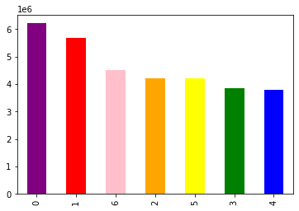
 | Orders by Day of the Week
 |  |  | x= day of week
 |  |  | 0= Saturday
 |  |  | 1= Sunday
 |  |  | 2= Monday
 |  |  | 3= Tuesday
 |  |  | 4= Wednesday
 |  |  | 5= Thursday
 |  |  | 6= Friday

 |  |  | y= # of Orders in Millions

The busiest days are on Saturday and Sunday, while the slowest days fall in the middle of the week (Tuesday-Thursday)

 | Orders by Hour of the Day

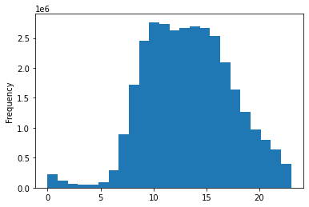
 |  |  | x= hour of the day
 |  |  | 0 = midnight
 |  |  | 1 = 1am | 13= 1pm
 |  |  | 2= 2am | 14= 2pm
 |  |  | 3= 3am | 15= 3pm
 |  |  | 4= 4am | 16= 4pm
 |  |  | 5= 5am | 17= 5pm
 |  |  | 6= 6am | 18= 6pm
 |  |  | 7= 7am | 19= 7pm
 |  |  | 8= 8am | 20= 8pm
 |  |  | 9= 9am | 21= 9pm
 |  |  | 10= 10am | 22= 10pm
 |  |  | 11= 11am | 23= 11pm
 |  |  | 12= noon

 |  |  | y= how many orders in millions

The busiest hours are from 9am until 4pm . It starts to pick up around 7am and really slows down after 8pm.

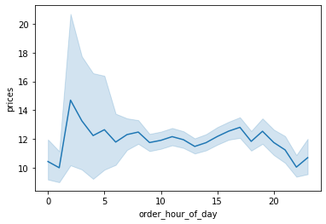

 |  |  | x= hour of the day
 |  |  | 0 = midnight
 |  |  | 1 = 1am | 13= 1pm
 |  |  | 2= 2am | 14= 2pm
 |  |  | 3= 3am | 15= 3pm
 |  |  | 4= 4am | 16= 4pm
 |  |  | 5= 5am | 17= 5pm
 |  |  | 6= 6am | 18= 6pm
 |  |  | 7= 7am | 19= 7pm
 |  |  | 8= 8am | 20= 8pm
 |  |  | 9= 9am | 21= 9pm
 |  |  | 10= 10am | 22= 10pm
 |  |  | 11= 11am | 23= 11pm
 |  |  | 12= noon

 |  |  | y= average prices

Customers tend to spend more per order earlier on in the day.

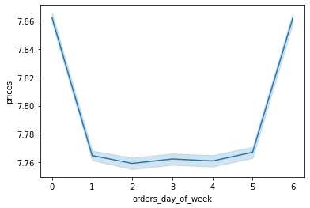
 |  |  | x= day of week
 |  |  | 0= Saturday
 |  |  | 1= Sunday
 |  |  | 2= Monday
 |  |  | 3= Tuesday
 |  |  | 4= Wednesday
 |  |  | 5= Thursday
 |  |  | 6= Friday

 |  |  | y= average prices

The average price of items purchased is slightly higher on the weekends implying customers buy higher priced items on Saturday and Sunday.
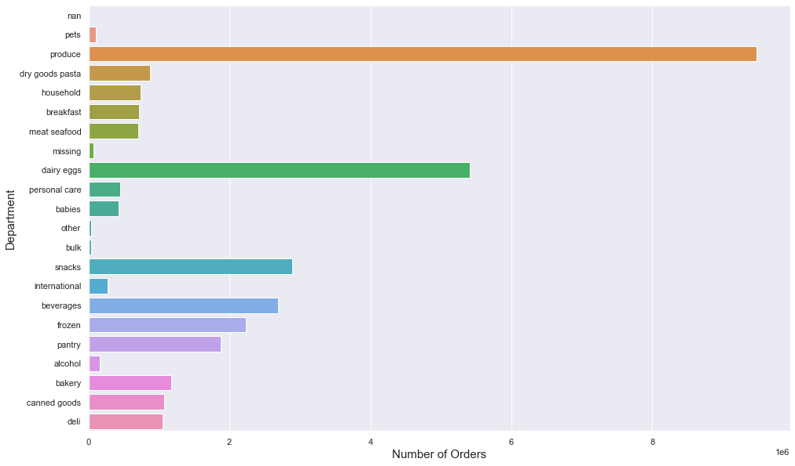

The most popular products are produce and dairy/eggs by far. (Over 9 million orders of produce, and over 5 million of dairy/eggs).
The next bracket features snacks, beverages, frozen, and pantry (all around 2-3 million orders).

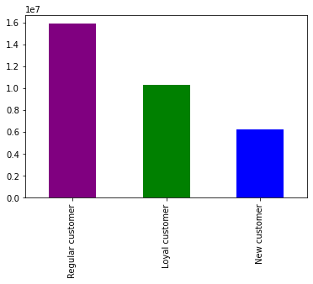

Instacart customers tend to be very loyal. Out of the nearly 3 million customers, just over a million are considered loyal customers.

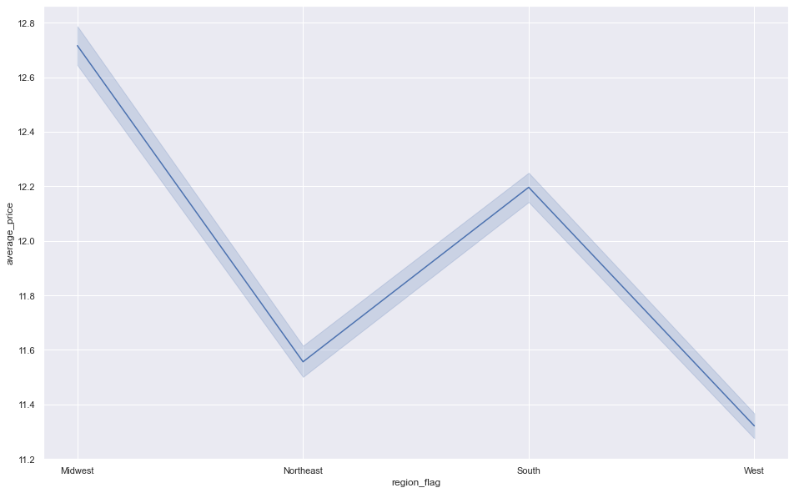

Customers tend to spend a higher average in the midwest and the south, while they spend lower amounts in the northeast and the west.

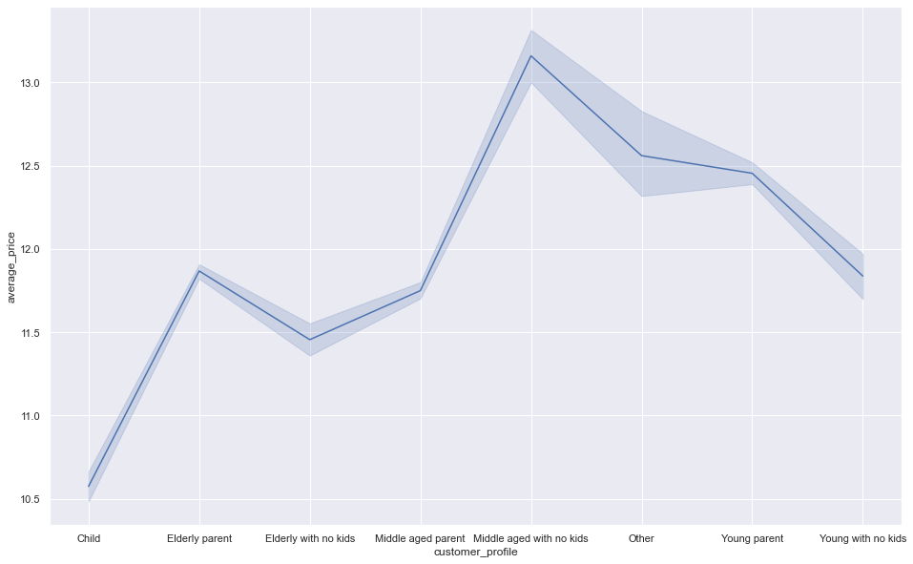

Based on age and family status, the average price is the highest with middle aged with no kids.
After that it would be young parent, then young with no kids and elderly parent.

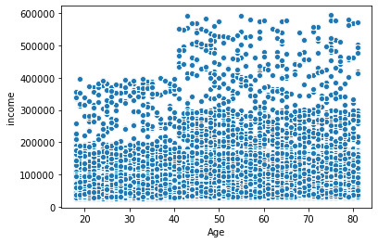

Income tends to go up quite a bit when you get to 40 years old according to this chart. There are also many more people who reach the 200,000 to 300,000 range at that age.

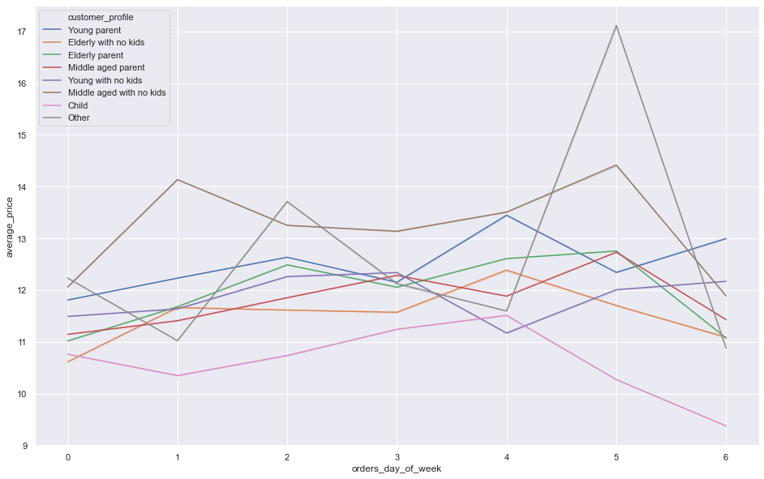

Showing each of the customer profiles and how many orders they place each day of the week. All of them are very similar.
One major difference is the "Other" spending much more on Fridays and the "Child" spending much less daily.

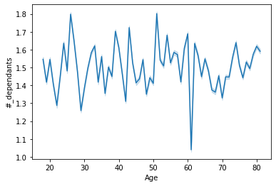
 |  | Showing the average amount of dependants of customers by age. There is a big dip
 |  | right around the age 60 otherwise not much of a difference throughout.

7. Recommendations
 |  |  |  |  |  |  |  | Title page

Recommendations

In this tab you should include any recommendations you would made to Instcart in terms of their marketing strategy based on the questions posed in the brief. Every key question has been covered in the Tasks of the Exercises - here you need to add an item - a visualisation or table/crosstable that is showing the answer in the data, acompanied by a comment from you. Please, list the questions below and add the answer underneath.

Question 1
The sales team needs to know what the busiest days of the week and hours of the day are
(i.e., the days and times with the most orders) in order to schedule ads at times when there are fewer orders.

 | x= day of week
 | 0= Saturday
 | 1= Sunday
 | 2= Monday
 | 3= Tuesday
 | 4= Wednesday
 | 5= Thursday
 | 6= Friday

 | y= # of Orders in Millions

 | x= hour of the day
 | 0 = midnight
 | 1 = 1am | 13= 1pm
 | 2= 2am | 14= 2pm
 | 3= 3am | 15= 3pm
 | 4= 4am | 16= 4pm
 | 5= 5am | 17= 5pm
 | 6= 6am | 18= 6pm
 | 7= 7am | 19= 7pm
 | 8= 8am | 20= 8pm
 | 9= 9am | 21= 9pm
 | 10= 10am | 22= 10pm
 | 11= 11am | 23= 11pm
 | 12= noon

 | y= how many orders in millions

The busiest days are Friday through Sunday and the busiest hours are 9am to 5pm. It is recommended
that ads should be put up on the slowest days of the week (mid-week Tuesday-Thursday) and at times
that are slower like before 8am and after 8pm.

Question 2
They also want to know whether there are particular times of the day when people spend the most money,
as this might inform the type of products they advertise at these times.

 | People tend to spend more earlier on in the day so it might be best
 | to start advertising higher priced items earlier in the day.

Question 3
Instacart has a lot of products with different price tags. Marketing and sales want to use
simpler price range groupings to help direct their efforts.

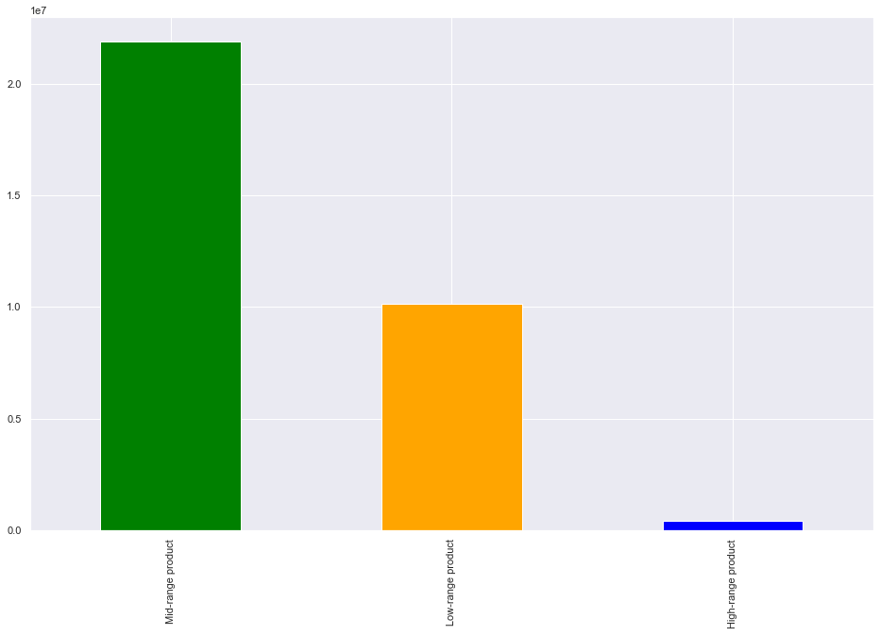
 |  |  | y= # of sold items for each
 |  |  | price range in tens of millions

There are not many high range priced products and there are twice as many mid-range than low-range.
Instacart seems to specialize in mid-range priced product so the advertising should focus on that.
They should keep the high-range product advertising to early mornings when customers tend to buy them.

Question 4
Are there certain types of products that are more popular than others? The marketing
and sales teams want to know which departments have the highest frequency of product
orders

x = number of orders in millions

The department with the most sales is produce which has well over 9 million units sold. Behind them is dairy/eggs at 5 million
and snacks, beverages and frozen items all at just over 2 million. It is interesting that all of the most popular items have
a short shelf life

Question 5
The marketing and sales teams are particularly interested in the different types of customers in their system and how
their ordering behaviors differ. For example:
5-1: What’s the distribution among users in regards to their brand loyalty (i.e., how often do they return to Instacart)?

 |  | 5-2: Are there differences in ordering habits based on a customer’s loyalty status?

 |  | Instacart customers tend to be very loyal. Out of the nearly 3 million
 |  | customers, just over a million are considered loyal customers.

 |  |  |  |  | median_days_since

 |  |  |  |  | mean | min | max
 |  |  | Loyalty_flag
 |  |  | New customer |  | 18.459849 | 0 | 30
 |  |  | Regular customer |  | 10.613335 | 0 | 30
 |  |  | Loyal customer |  | 5.170978 | 0 | 14

 |  | Loyal customers average shopping just over every 5 days, while regular customers
 |  | average 10 and a half days and new customers average 18 and a half days. Instacart
 |  | should make a real effort to advertise to new customers to convert them into regular
 |  | and then to loyal customers. Each step causes them to shop twice as much each time.

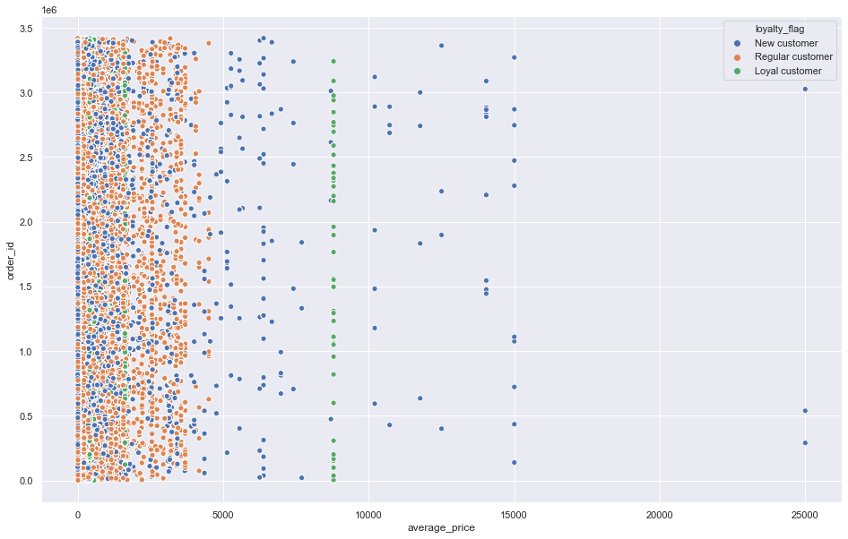
 |  |  |  |  |  | Regular customers tend to spend less per order on average.
 |  |  |  |  |  | New customers tend to be all over the spectrum with their
 |  |  |  |  |  | orders due to just discovering Instacart. Loyal customers
 |  |  |  |  |  | tend to have a small window with their average orders.

5-3 Are there differences in ordering habits based on a customer’s region?


 |  |  |  |  | days_since_prior_order
 |  |  |  |  | mean | min | max
 |  |  |  | region_flag
 |  |  |  | South | 11.10824 | 0 | 30
 |  |  |  | Midwest | 11.181993 | 0 | 30
 |  |  |  | West | 11.047007 | 0 | 30
 |  |  |  | Northeast | 11.076055 | 0 | 30

 |  |  |  | In terms of average purchases, customers in the Midwest tend to
 |  |  |  | spend the most, followed by the South, the Northeast and then
 |  |  |  | the West.
 |  |  |  | In terms of the frequency of orders, all regions are about
 |  |  |  | the same between them.

5-4: Is there a connection between age and family status in terms of ordering habits?

 |  |  |  | The highest average spenders tend to be middle aged adults with no kids.
 |  |  |  | It is the only profile of customers where the parent version spends less.
 |  |  |  | Both elderly and young parents spend more than elderly or young without kids.

5-5: What different classifications does the demographic information suggest? Age? Income? Certain types of goods? Family status?

 |  |  |  | There is a big jump in terms of income when it comes
 |  |  |  | to customers hitting the age of 40. There are many more
 |  |  |  | 200,000+ and that is the age there starts to be 400,000
 |  |  |  | and up.

5-6: What differences can you find in ordering habits of different customer profiles? Consider the price of orders, the frequency of orders, the products customers are ordering, and anything else you can think of.

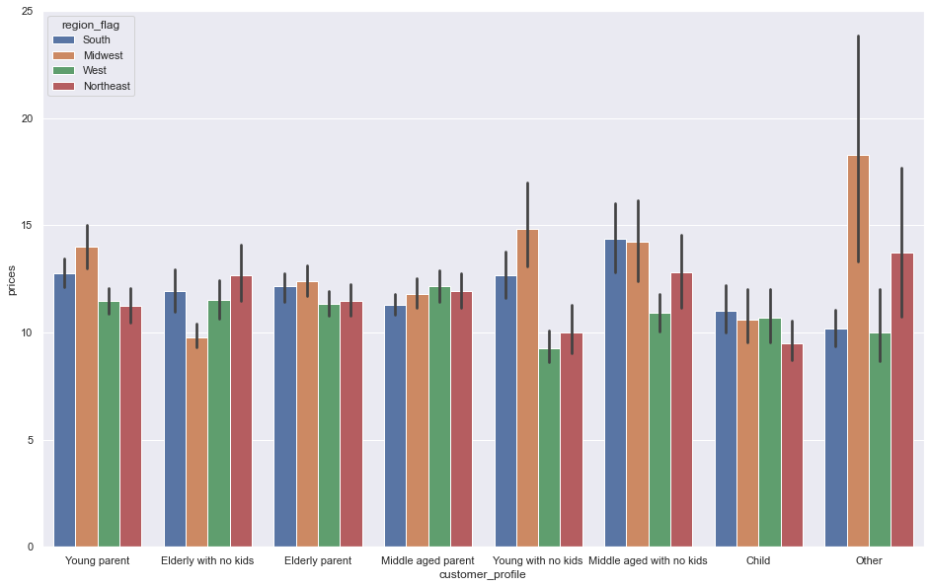

There is not a big difference in terms of prices for each of the different customer profiles. Elderly with no kids spend the most in the Northeast.
In the Midwest elderly parents, young parents, young with no kids and other have the highest prices. In the South it is only middle aged
with no kids and child which spend the most.

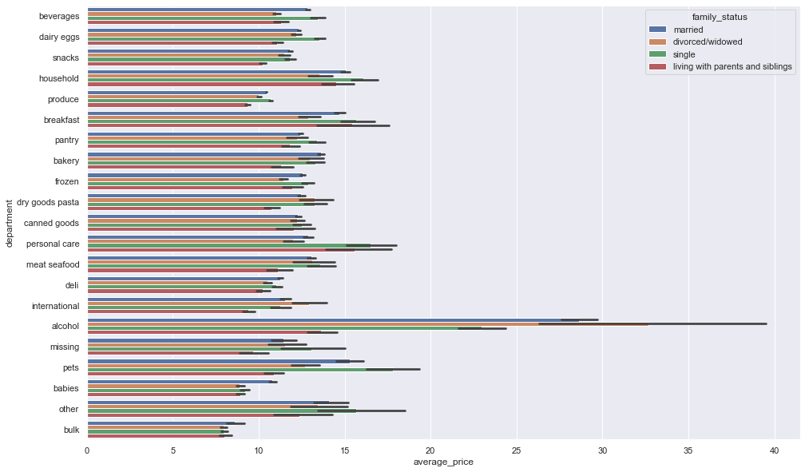

Married people tend to spend more per item for most of the categories. It is interesting to see that the average prices of produce items are very low knowing
it is the category which is the biggest seller by far. Divorced people tend to spend less per item than the other family statuses.
Single people tend to spend more per item with personal care, pets, beverages, and household items.

